Introduction
Comparison of Supplier GHG Status Assessment Tools v7

Context
Organizations are increasingly accountable for their direct and indirect greenhouse gas (GHG) emissions. All organizations are being urged to report on and reduce their Scope 1, Scope 2, and 15 categories of Scope 3 GHG emissions (see Figure 1). To address the climate crisis, all organizations' GHGs emissions must be reduced to net-zero by 2050 or sooner. On average, supply chain Scope 3 emissions are 26 times higher than an organization's / customer's / purchaser's ("buyer's") Scope 1 and Scope 2 emissions.1 The carbon footprints of purchased goods, services, and capital assets ("products") are significant components of buyers' Scope 3 emissions. For a buyer to achieve net-zero GHGs by 2050 or sooner, carbon footprints of its purchased products must be net-zero by 2050 or sooner. Therefore, a buyer seeks to purchase products with the lowest carbon footprints from providers / vendors / sellers ("suppliers") who are the most committed to reducing their Scope 1 and 2 GHG contributions to their product carbon footprints (see Figure 2). To determine suppliers' status on reducing their GHGs in line with science-based targets (SBTs),2 buyers need a supplier GHG emissions status assessment questionnaire ("Tool") that scores suppliers on their commitment, progress, and plans to reduce their GHGs to net-zero by 2050 or sooner. This comparison helps choose that Tool.

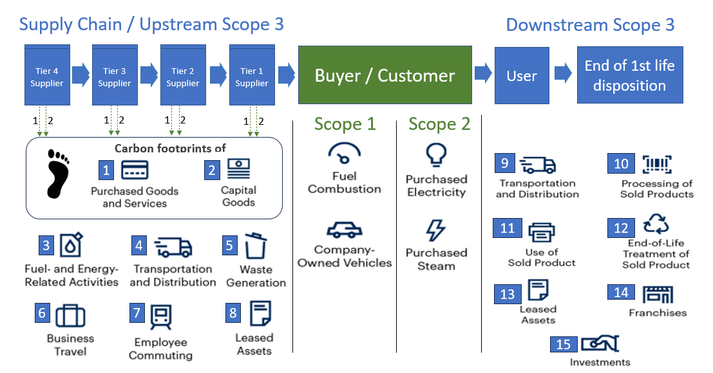
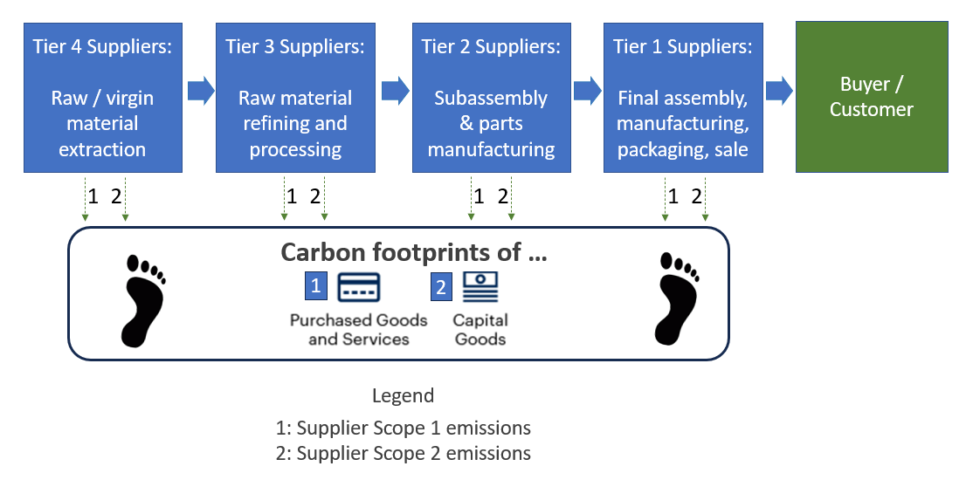

Figure 1: Scope 1, 2, and 3 GHG Emission Sources |  | Figure 2: Contributors to Product Carbon Footprints

Definition of Net-Zero Procurement (NZP)
Net-Zero Procurement (NZP) is defined as ... obtaining the best value for money when purchasing ... ... the best and most low-carbon and circular goods and services... ... from the best and most low-carbon and circular suppliers... ... in support of the buyer’s organizational purpose and strategic goals. In an NZP system, buyers use an SME-friendly supplier GHG status questionnaire (“Tool”) to score suppliers on their GHG reduction commitment, progress, and plans, and significantly weight that supplier score in their bid appraisals. For more on the use of NZP as a powerful way to engage suppliers in the race to net-zero, see these blogs:
Blog: "Use Net-Zero Procurement to Win the GHG Reduction Trifecta"
Blog: "Net-Zero Procurement Toolkit"
Blog: "7 Ways Net-Zero Public Procurement is a Super-Leverage Point"

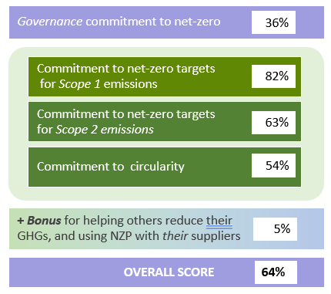
Net-Zero Ambition Assessment Tool (NZAAT) |  | Sample NZAAT Supplier Scores
The Net-Zero Ambition Assessment Tool (NZAAT)3 is a free, open-source Excel-based questionnaire that scores suppliers' GHG emissions reduction commitments, progress, and plans. A digitized equivalent might be more appropriate if the questionnaire were to be used at scale with hundreds or thousands of suppliers. A buyer might already have an appropriate online platform that they use with their suppliers to which they can add questions from NZAAT. If not, they could create an online version of NZAAT on an online platform like Qualtrics. Contact Bob Willard at bobwillard@sustainabilityadvantage.com if you want to see what that would look like. Also, there are several online supplier GHG questionnaires / tools that could be used. This workbook compares an online Qualrics version of NZAAT to six such tools:4

Provider | Online Supplier GHG Assessment Tool Name
Qualtrics | Online version of NZAAT
CDP | CDP Supply Chain Membership
Cority | Supply Chain Sustainability Software
EcoVadis | Carbon Action Manager (CAM)
Persefoni | Persefoni Pro
Salesforce | Net Zero Cloud
Sphera | Supply Chain Sustainability (was SupplyShift) | Net-Zero Ambition Assessment Tool (NZAAT)

Comparison workbook overview
The Tool Attributes & Capabilities worksheet lists the capabilities of an NZAAT-like Tool that would support a robust, scalable NZP system. The Tools Comparison worksheet enables buyers to assess how well each Tool meets capabilities that are important in their situation. It facilitates assessing which tool is the best fit for a particular buyer's needs. The information about each tool was drafted by the providers, and supplemented with information on their websites and from other sources.

Footnotes
1 “Scope 3 Upstream: Big Challenges, Simple Remedies,” CDP & BCG, June 2024.
2 Through the 2015 Paris Agreement, world governments committed to curbing global temperature rise to well-below 2°C above pre-industrial levels and pursuing efforts to limit warming to 1.5°C. In 2018, the Intergovernmental Panel on Climate Change warned that global warming must not exceed 1.5°C to avoid the catastrophic impacts of climate change. To achieve this, GHG emissions must halve by 2030 – and drop to net-zero by 2050. Those are the science-based targets, as defined by the Science Based Targets initiative (SBTi).
3 Net-Zero Ambition Assessment Tool (NZAAT)
4 If you have experience with any of the tools that would help tweak the descriptions of their capabilities, or if you know of other tools that should be added to this comparison, please let me know.
bobwillard@sustainabilityadvantage.com

Terms of Use
This comparison was developed by Bob Willard / Sustainability Advantage. The comparison is published under a Creative Commons-Attribution ShareAlike 4.0 International license. That is, users are free to share (copy and redistribute the material in any medium or format) and adapt (remix, transform, and build upon) the material for any purpose, even commercially, with appropriate attribution. Use of the comparison is at the user's own risk. Sustainability Advantage does not endorse any vendor tool. Sustainability Advantage disclaims all warranties, expressed or implied, with respect to this research, including any warranties of fitness for a particular purpose. Users can weight the importance of each capability for their planned use of the tool, and can also score how well each tool satisfies each capability. Sustainability Advantage shall accept no liability in respect of any business, lending, or investment decisions which users choose to base in whole or in part on the use of this comparison or its output.

Tools Comparison
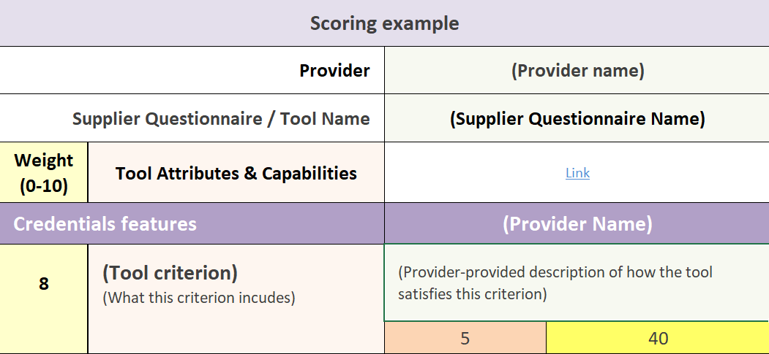
Tools Comparison
This is a large spreadsheet. Try viewing it at 80% magnification. Further tailor the view, if desired, by hiding columns or rows.
Overview / How to use this page This worksheet compares how each Tool satisfies the desired attributes / capabilities, and facilitates assessing which tool is the best fit for a particular buyer's needs. It allows a buyer to weight the importance of each attribute for their planned use of the Tool, and to score how well each Tool satisfies the desired capabilities. The total weighted scores for each Tool inform the buyer's selection of the Tool that is the best fit for the buyer's purposes.
Tool Attributes & Capabilities |  | The Tool Attributes & Capabilities column has the same thumbnail descriptions as listed in the Tool Attributes & Capabilities worksheet. If there are other attributes that the buyer thinks are important in their situation, feel free to add them in the Other section at the bottom.
Weight / # Points: |  | In the Weight column beside each criterion, enter a number from 0 to 10 that reflects the importance of each attribute in the buyer's situation and their planned use of the Tool.
Estimated Scores |  | In the Estimated Score cell, enter a number from 0-5 that reflects how well the buyer thinks the tool satisfies each attribute / capability. Note that providers are always improving their Tools. Update the description if you have better information.
Weighted Score |  | The Weighted Scores are the product of the buyer's assigned Weight X the buyer's Estimated Score for each attribute. The Total Weighted Scores at the bottom of each column inform the choice / selection of the Tool that best fits the buyer's needs.

Provider (Listed alphabetically after Qualtrics NZAAT) |  | Sustainability Advantage (SA) and Qualtrics |  | CDP |  | Cority (was Greenstone) |  | EcoVadis |  | Persefoni |  | Salesforce |  | Sphera
Supplier Questionnaire / Tool Name |  | Qualtrics version of NZAAT |  | CDP Supply Chain Membership |  | Supply Chain Sustainability Software |  | Carbon Action Manager (CAM) |  | Persefoni Pro |  | Net Zero Cloud |  | Supply Chain Sustainability (was SupplyShift)
Weight (0-10) | Tool Attributes & Capabilities | Link |  | Link |  | Link |  | Link |  | Link |  | Link |  | Link
 |  | Estimated Score (1-5) | Weighted Score | Estimated Score (1-5) | Weighted Score | Estimated Score (1-5) | Weighted Score | Estimated Score (1-5) | Weighted Score | Estimated Score (1-5) | Weighted Score | Estimated Score (1-5) | Weighted Score | Estimated Score (1-5) | Weighted Score
Provider and Tool Credentials |  | SA + Qualtrics |  | CDP |  | Cority |  | EcoVadis |  | Persefoni |  | Salesforce |  | Sphera
 | Provider credentials: Founding year? Experience and reputation? # of users of their suite of Tools? # of staff? # of languages? | Sustainability Advantage has provided resources for sustainability champions for 25 years, including multiple sustainability assessment and reporting frameworks. It created NZAAT. |  | CDP is a global non-profit that runs the world’s only independent environmental disclosure system. CDP was established in 2000, and in 2024 CDP helped more than 24,800 companies and almost 1,000 cities, states and regions disclose their environmental impacts, including more than 12,500 through CDP’s new SME questionnaire. Aligned with the ISSB’s climate standard, IFRS S2, CDP integrates best-practice reporting standards and frameworks in one place. CDP offers support in the following languages: English, Spanish, Portuguese, Japanese, and Chinese. Its HQ is in London, England. |  | With over 40 years of experience, Cority serves more than 1,800 customers in 120 countries and has over 2 million end users. As of January 2025, Cority employs approximately 937 staff members across four continents, including North America, Europe, and Oceania. Their diverse team speaks 20 languages, enabling them to support a global client base effectively. Its HQ is in Toronto. Ontario. |  | EcoVadis has 2000+ employees and has global reach. Founded in 2007, EcoVadis has a network of 150,000+ rated companies in 220+ industry categories in 180+ countries. Help is available 24/5 in 12+ languages and supporting evidence is accepted in 12+ languages. EcoVadis Sustainability Ratings rates companies on 21 sustainability criteria although the procurement organization can decide to send a carbon-only assessment covering only key GHG management topics (accounting, reporting, target setting practices and actions taken towards decarbonization). Its HQ is in Paris, France. |  | Founded in 2020, Persefoni Advanced is an AI-powered carbon accounting SaaS platform that helps companies and investors measure, manage, and disclose their carbon emissions with confidence. The Persefoni Advanced platform simplifies carbon accounting across industries, enabling organizations to meet disclosure requirements and drive sustainability goals. Serving thousands of companies globally, Persefoni Advanced empowers businesses at every stage of their climate journey. Its HQ is in Tempe, Arizona. |  | With 65,000 employees, Salesforce is a leading customer relationship management (CRM) service provider. It has over 150,000 customers, worldwide. Its main products, Sales Cloud and Service Cloud, are used by companies worldwide. Salesforce does not operate primarily in the sustainability space. Its HQ is in San Francisco, California. |  | Founded 30 years ago, Sphera is a portfolio company of Blackstone. It has over 8,400 customers across all industries; 1K+ employees; 100K+ entities; 21M+ data points; 200K+ assessments; 95+ countries; available in 17 languages. It acquired SupplyShift in January 2024. Its HQ is in Chicago, Illinois.

 | Tool credentials: # of users? Kinds of users? # of countries? # of buyer organizations using the Tool? Scalability with hundreds / thousands of suppliers? | Qualtrics is a full function online survey platform. The platform has 3 million frontline users, has analyzed 2 billion conversations and has 20,000 customers. It is used in over 100 countries around the world. Qualtrics is available in multiple languages. You can select different languages in your Qualtrics account or projects. You will also find a list of the specific languages available to you. |  | CDP launched the Supply Chain program in 2010 to support buyers in engaging suppliers through CDP disclosure. More than 330 Supply Chain members and 700 Capital Market Signatories requested over 62,000 suppliers to disclose through CDP across all industries and regions in 2024. CDP offers two questionnaires for corporate responders, the Full-Corporate Questionnaire (Full) and an SME Questionnaire (SME). The SME questionnaire, introduced in 2024, is specifically designed with fewer and simplified datapoints, making it better suited for eligible suppliers. CDP Supply Chain members can request suppliers of any size complete the appropriate Supply Chain Questionnaire (a.k.a. Full or SME). Requesters can provide prioritization guidance on which question numbers in the Full or SME questionnaires they want the supplier to complete. (e.g., Full xx.x or SME xx.x, as shown below). |  | In May 2023, Cority acquired Greenstone and all its tools. Cority's Supply Chain Sustainability Software is well-established and utilized by 144 buyer organizations across 25 countries to manage supplier sustainability performance in the manufacturing, healthcare, and energy industries. Buyers can track and manage their own and their suppliers' GHG emissions through Cority's Sustainability Performance Management Software. The highly scalable platform uses Supply Chain Sustainability Software to handle data collection, performance tracking, and reporting across extensive supplier networks. This makes it suitable for organizations with hundreds or thousands of suppliers. |  | Launched in 2021, 320+ buyers have used CAM or its predecessor Carbon Action Module, to obtain 120,000+ supplier carbon performance ratings. Over 64,000 carbon scorecards were generated in the last year. Over 40,000 companies reporting carbon emissions data (scope 1,2,3) in the network have been rated multiple times and 33% improved performance upon reassessment, 44% of companies with the lowest carbon maturity ("insufficient" at EcoVadis) improved at least one level upon reassessment. |  | In March 2024, Persefoni released a new platform, Persefoni Pro. Persefoni Pro is a free, self-service platform that enables any business to measure their complete carbon footprint (Scopes 1, 2, and 3), even if they’re not familiar with carbon accounting. Persefoni Pro has over 6,000 users. Pro offered in English and Japanese. French, German, Spanish, and Italian are coming soon. |  | . Salesforce' Net Zero Cloud does not require a supplier questionnaire. It estimates overall carbon footprints of goods, services, and capital assets purchased from the supplier, based on the buyer's spend data with that supplier, and estimate supplier Scope 1, 2, and 3 emissions based on a supplier's revenue data. If desired, Salesforce’s External Engagement Management add-on can be effectively tailored to collect GHG emissions data from thousands of suppliers. Using a tailored questionnaire, it can solicit and collect supplier environmental and social data, and creates supplier sustainability score cards. Buyers can track the supplier’s sustainability metrics and commitments at scale. This includes supplier reporting maturity, reported carbon data, and the suppliers’ own science-based targets. |  | Supply Chain Sustainability (SCS), formerly known as SupplyShift, was founded twelve years ago. Its customers include major companies across chemicals, life sciences, consumer goods, retail, manufacturing, oil & gas, government, and financial services. It has gathered 21M+ data points from 100K+ entities, including suppliers in 139 countries. It brings all its tools into the Sphera suite of offerings.
 |  |  |  |  |  |  |  | 5
Supplier question topics |  | SA + Qualtrics |  | CDP |  | Cority |  | EcoVadis |  | Persefoni |  | Salesforce |  | Sphera
 | Supplier Scope 1 GHGs status: Tracked? Have baseline year? SBTs for 2050 and interim dates? Progress on reductions so far? Short-term action plans? | Yes, the same as in the Excel version of NZAAT. |  | Both questionnaires ask for Scope 1 (S1) emissions for last 5 years, and change for previous year. Suppliers break down their total gross global Scope 1 emissions by business activity. They provide details of their absolute emissions targets and progress made against those targets. S1 GHG Emissions Reported: Yes (Full 7.6, SME 20.4); S1 Climate Targets: Yes (Full 7.53, SME 20.16); Baseline year: Yes; SBT details: Yes; Target progress: Yes; Action plan/ Transition Plan: Yes (Full 5.2, SME 18.2) |  | Cority's Supply Chain Sustainability Software requests data on Scope 1 emissions from sources owned or controlled by the supplier, such as fuel combustion in company vehicles or emissions during manufacturing or production processes. Using the built-in GHG Wizard, suppliers are guided to import GHG emissions calculations, upload spend data, or where applicable, use energy consumption data to support GHG accounting. In cases where primary data is missing, the tool can estimate emissions data based on spend data. Additionally, Cority's software allows suppliers to set baseline years and Science Based Targets (SBTs) for Scope 1 GHGs. |  | EcoVadis collects annual Scope 1 data on target setting, practices, and key actions taken to reduce emissions. Absolute targets are collected, including baseline emissions, baseline year, target year and target emissions, and progress towards GHG reduction targets and SBTi status. A dedicated BI dashboard enables monthly updates directly sourced from SBTi, if available. Practices include if the supplier is following GHG Protocol, performing annual GHG inventory update, publicly reporting, and performing third party assurance. Key actions include having a time-bound action plan to reduce GHG emissions and implementing measures towards fuel switching. |  | Yes - inclusive of emissions source breakdown, and attribution percentage. The calculations are fully integrated with Persefoni Pro. |  | Salesforce' Net Zero Cloud can estimate supplier Scope 1 emissions by using spend-based emission factors and other indirect data sources, without needing to gather information from suppliers through questionnaires. If desired, Salesforce's External Engagement Management add-on can gather supplier Scope 1 GHG data using a tailored questionnaire. |  | The GHG Leadership and Reporting Assessment asks for suppliers’ GHG footprint and tons of CO2e attributed to the buyer, supplier GHG emissions baseline, reduction targets, and progress against their goals. Includes an "action plan" section to capture and quantify actions over coming one to three years. Buyers can also develop custom assessments, including custom allocation methods. Supplier can also access a calculator tool if they do not have reporting available.

 | Supplier Scope 2 GHGs status: Tracked? Have baseline year? SBTs for 2050 and interim dates? Progress on reductions so far? Short-term action plans? | Yes, the same as in the Excel version of NZAAT. |  | Both questionnaires ask for Scope 2 (S2) emissions for the last 5 years, along with the change compared to the previous year. Scope 2 emissions can be broken down by business activity and suppliers can provide details of their absolute emissions targets and progress made against those targets. The CDP questionnaire is also used by RE100. Reported: Yes (Full 7.7, SME 20.5); S2 Climate Targets: Yes (Full 7.53, SME 20.16); Baseline year: Yes; SBT details: Yes; Target progress: Yes; Action plan/ Transition Plan: Yes (Full 5.2, SME 18.2) |  | Cority's Supply Chain Sustainability Software requests data on Scope 2 emissions primarily from purchased electricity, heat, and steam. Using the built-in GHG Wizard, suppliers are guided to import GHG emissions calculations, upload spend data, or where applicable, use energy consumption data to support GHG accounting. In cases where primary data is missing, the tool can estimate emissions data based on spend data. Additionally, Cority's software allows suppliers to set baseline years and Science Based Targets (SBTs) for Scope 2 GHGs. |  | EcoVadis collects annual Scope 2 data on target setting, practices, and key actions taken to reduce emissions. Absolute targets are collected, including baseline emissions, baseline year, target year and target emissions, and progress towards GHG reduction targets and SBTi status. A dedicated BI dashboard enables monthly updates directly sourced from SBTi, if available. Practices include if the supplier is following GHG Protocol, performing annual GHG inventory update, publicly reporting, and performing third party assurance. Key actions include having a time-bound action plan to reduce GHG emissions and implementing measures towards fuel switching. |  | Yes - inclusive of emissions source breakdown, and attribution percentage. The calculations are fully integrated with Persefoni Pro. |  | Salesforce' Net Zero Cloud can estimate supplier Scope 2 emissions by using spend-based emission factors and other indirect data sources, without needing to gather information from suppliers through questionnaires. If desired, Salesforce's External Engagement Management add-on can gather supplier Scope 2 GHG data using a tailored questionnaire. |  | The GHG Leadership and Reporting Assessment asks for suppliers’ GHG footprint and tons of CO2e attributed to the buyer, supplier GHG emissions baseline, reduction targets, and progress against their goals. Includes an "action plan" section to capture and quantify actions over coming one to three years. Buyers can also develop custom assessments, including custom allocation methods. Supplier can also access a calculator tool if they do not have reporting available.
...

